Endothl
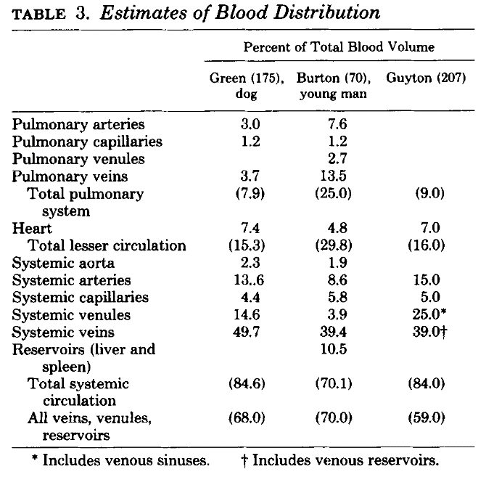
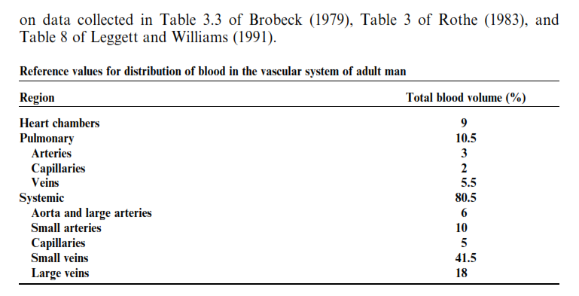
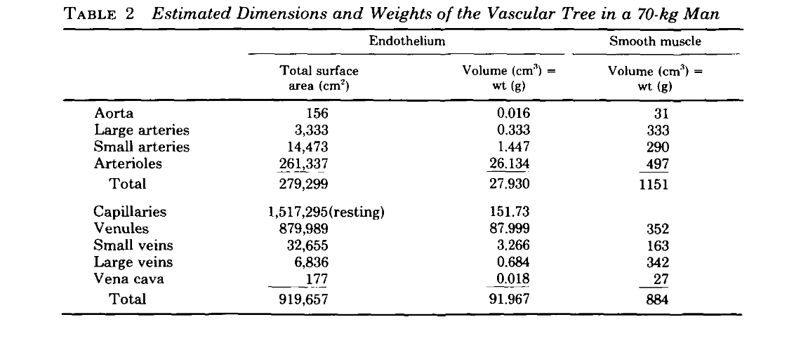
Calculation of the number of endothelial cells in the human body
 | total volume | 5200 | (snyder,1975) |  |  |  |  |  |  |  |  |  |  | Wolinsky, 1980 |  |  |  | ICRP 2002
 | % Blood Volume | total Volume (cm3) | mean diamater (cm) | volume for 1cm of length (cm3) | calculated length(cm) | calculated surface area (cm^2) | endothelial cell density (cells/cm2) | # cells in vessels |  |  | total mass
Aorta and large arteries | 7% | 364 | 0.4 | 0.13 | 2897 | 3.6E+03 | 8.33E+04 | 3.0E+08 | 180 | 364 | 0.4
small arteries | 12% | 624 | 0.003 | 7.1E-06 | 9E+07 | 8.3E+05 |  | 6.9E+10 | 500 | 624 | 83.2
Capillaries | 7% | 364 | 7.5E-04 | 4.4E-07 | 8E+08 | 1.9E+06 |  | 1.6E+11 | 280 | 364 | 194.1
Small veins | 45% | 2349 | 2.0E-03 | 3.1E-06 | 7E+08 | 4.7E+06 |  | 3.9E+11 | 300 | 2348.6666667 | 469.7
Large veins | 20% | 1031 | 0.5 | 2.0E-01 | 5E+03 | 8.3E+03 |  | 6.9E+08 | 2600 | 1031.3333333 | 0.8
total |  |  |  |  |  |  |  | 6.2E+11 |  |  | 748.3

sources
Snyder WS (1975) Report of the Task Group on Reference Man
Leggett RW, Williamst LR (1991) Blood Volumes in Humans. Health Phys 60(2):139–154.
Burton C (1954) Relation of Structure to function of the wall of blood vessels. Physiol Rev 34:619–642.
Félétou M (2011) The endothelium: Part 1: multiple functions of the endothelial cells—focus on endothelium-derived vasoactive mediators.

 |  |  |  |  |  |  |  |  |  |  |  |  |  | Rothe, 1983
 | 6000000
 | 0.000012
 | 500000000000 |  |  |  |  |  |  |  | ICRP89
 | 1.5707963268E+12

 | value | SD
surface area (mu^2) | 1200 | 200
mass (pg) | 1200 | 200

 |  |  |  |  |  |  |  |  |  |  |  | 10 | 1 | 400 | 31.4 | 2 | 1570.7963268
 |  |  |  |  |  |  |  |  |  |  |  | 3 | 40 | 200 | 56.5 | 4 | 1413.7166941
 |  |  |  |  |  |  |  |  |  |  |  | 1 | 600
 |  |  |  |  |  |  |  |  |  |  |  | 0.6 | 1800
 |  |  |  |  |  |  |  |  |  |  |  | 0.019 | 40
 |  |  |  |  |  |  |  |  |  |  |  | 0.007 | 400
 |  |  |  |  |  |  |  |  |  |  |  | 0.0037
 |  |  |  |  |  |  |  |  |  |  |  | 0.0073
 | Rothe, 1983 | ICRP 2002 |  |  |  |  |  |  |  |  |  | 0.021
Aorta and large arteries | 11.0% | 6% |  | 10.0100% |  |  |  |  |  |  |  | 0.037
small arteries | 3.7% | 13% |  | 3.3670% |  |  |  |  |  |  |  | 2.4 | 600 | 100 | 271.4 | 18.6 | 1459.3204584
Capillaries | 3.9% | 7% |  | 3.5490% |  |  |  |  |  |  |  | 6
Small veins | 44.2% | 47% |  | 40.2220% |  |  |  |  |  |  |  | 12.5
Large veins | 37.2% | 18% |  | 33.8520% |  |  |  |  |  |  |  |  |  |  | Rothe, 1983

rr
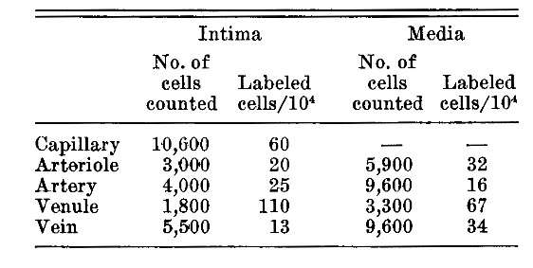
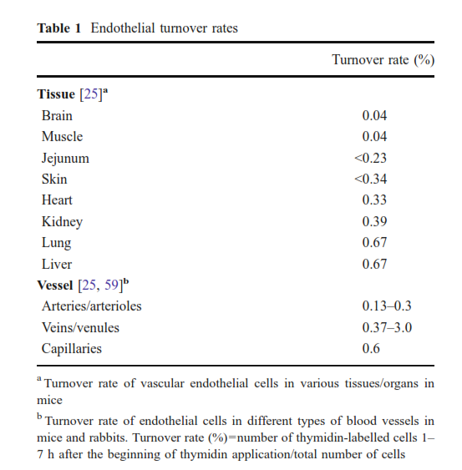
source | animal | tissue | labeling index | labeling index SD | calculated lifespan [days] | delta |  |  | Kliche et al., 2011
Lauk and Trott, 1990 | rat | heart | 0.32% | 0.04% | 99.3 | 22 |  | 0.51707756796
Bergmann et al., 2015 | human | heart |  |  | 2281.25

 |  |  |  |  |  |  |  | v

mouse | tissue | 1h | 7d | 3d | 1h | 7d | 3d
 | brain | 0.04% | 0.16% | 0.8% | 794 | 5831 | 395
 | muscle | 0.04% | 0.80% | 0.5% | 794 | 921 | 652
 | jejunum | 0.23% | 0.30% | 1.2% | 138 | 9977 | 309
 | skin | 0.34% | 0.37% | 1.1% | 93 | 23254 | 394
 | heart | 0.33% | 3.20% | 1.8% | 96 | 244 | 204
 | kindy | 0.39% | 2.70% | 2.0% | 81 | 302 | 180
 | lung | 0.67% | 2.80% | 1.8% | 47 | 327 | 276
 | liver | 0.67% | 9.30% | 4.4% | 47 | 81 | 80
 | bladder | 0.20% | 3.00% | 1.5% | 159 | 250 | 231
 | mesentery | 0.45% | 0.80% | 0.3% | 71 | 1991 | -1991

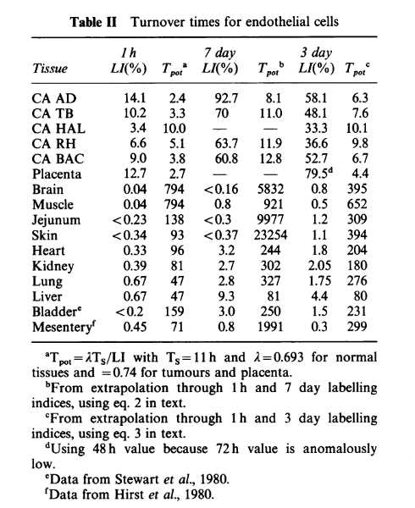
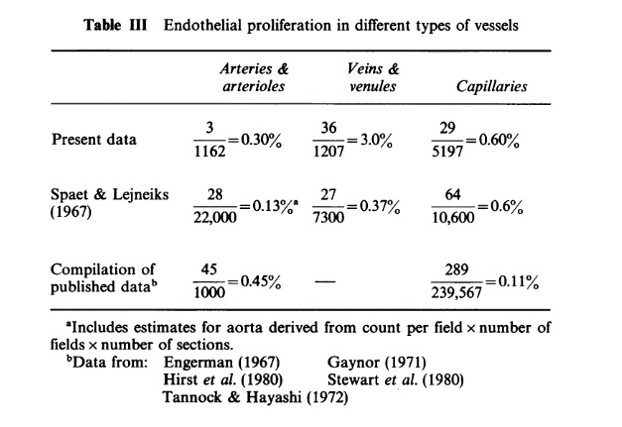
 |  |  |  |  |  |  |  |  | Hobson and Denekamp, 1984

 | 60 |  |  | 0
 | 20 | 5900 | 32 | 18.88 | 5900
 | 25 | 9600 | 16 | 15.36 | 9600
 | 110 | 3300 | 67 | 22.11
 | 13 | 9600 | 34 | 32.64

 | 0 |  | 18.88
 | 0 |  | 15.36

 | 0
 | 0 | 0
 | 0
 | 0 | 0

